Sheet1
Number of Dairy Establishments in Canada
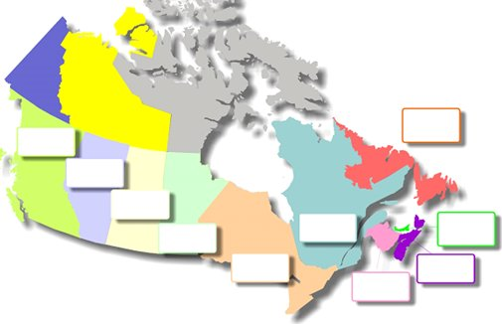
2023
 |  |  |  |  |  |  |  |  |  |  |  | Year | 2023
Fédérale : 273
Provinciale : 171
Total : 444

 |  |  |  |  |  |  |  |  |  |  |  | BC | 62 | ON | 150 | PE | 10 | Federal: | 274
 |  |  |  |  |  |  |  |  |  |  |  | Fed.: | 34 | Fed.: | 93 | Fed.: | 9 | Provincial: | 236
 |  |  |  |  |  |  |  |  |  |  |  | Prov.: | 28 | Prov.: | 57 | Prov.: | 1 | Total: | 510

 |  |  |  |  |  |  |  |  |  |  |  | AB | 29 | QC | 219 | NL | 4
 |  |  |  |  |  |  |  |  |  |  |  | Fed.: | 21 | Fed.: | 89 | Fed.: | 2
 |  |  |  |  |  |  |  |  |  |  |  | Prov.: | 8 | Prov.: | 130 | Prov.: | 2

 |  |  |  |  |  |  |  |  |  |  |  | SK | 5 | NB | 6
 |  |  |  |  |  |  |  |  |  |  |  | Fed.: | 2 | Fed.: | 3
 |  |  |  |  |  |  |  |  |  |  |  | Prov.: | 3 | Prov.: | 3

 |  |  |  |  |  |  |  |  |  |  |  | MB | 15 | NS | 10
 |  |  |  |  |  |  |  |  |  |  |  | Fed.: | 11 | Fed.: | 10
 |  |  |  |  |  |  |  |  |  |  |  | Prov.: | 4 | Prov.: | 9ᶧ

Federally Registered Dairy Establishments
Year | BC | AB | SK | MB | ON | QC | NB | NS | PE | NL | Total
2023 | 34 | 21 | 2 | 11 | 93 | 89 | 3 | 10 | 9 | 2 | 274
2022 | 34 | 21 | 1 | 11 | 98 | 87 | 2 | 10 | 8 | 3 | 275
2021 | 33 | 23 | 1 | 12 | 103 | 84 | 2 | 10 | 8 | 3 | 279
2020 | 34 | 23 | 2 | 13 | 102 | 95 | 5 | 8 | 6 | 2 | 290
2019 | 33 | 23 | 2 | 14 | 100 | 87 | 4 | 7 | 6 | 1 | 277
2018 | 35 | 24 | 4 | 13 | 104 | 92 | 5 | 7 | 7 | 2 | 293
2017 | 33 | 23 | 2 | 13 | 101 | 89 | 4 | 7 | 6 | 1 | 279
2016 | 32 | 23 | 2 | 11 | 96 | 87 | 4 | 7 | 6 | 2 | 270
2015 | 33 | 22 | 1 | 11 | 96 | 87 | 5 | 8 | 6 | 2 | 271
2014 | 33 | 22 | 1 | 11 | 97 | 87 | 6 | 8 | 6 | 2 | 273
Provincially Licensed Dairy Establishments
Year | BC | AB | SK | MB | ON | QC | NB | NS | PE | NL | Total
2023 | 28 | 8 | 3 | 4 | 57 | 130 | 3 | 9ᶧ | 1 | 2 | 236
2022 | 23 | 7 | 3 | 3 | 50 | 129 | 4 | 9 | 2 | 2 | 232
2021 | 20 | 10 | 3 | 4 | 42 | 112 | 3 | 4 | 2 | 2 | 202
2020 | 25 | 11 | 3 | 4 | 60 | 106 | 3 | 7 | 4 | 1 | 224
2019 | 25 | 11 | 2 | 4 | 50 | 104 | 3 | 6 | 4 | 1 | 210
2018 | 30 | 11 | 2 | 4 | 60 | 109 | 3 | 6 | 4 | 1 | 230
2017 | 21 | 8 | 1 | 4 | 50 | 101 | 3 | 3 | 6 | 2 | 199
2016 | 28 | 8 | 1 | 2 | 43 | 106 | 4 | 3 | 5 | 1 | 201
2015 | 28 | 8 | - | 2 | 44 | 106 | 4 | 6 | 3 | 1 | 202
2014 | 26 | 7 | - | 1 | 44 | 105 | 4 | 7 | 3 | 1 | 198
- Nil
1. Alberta provincial dairy license processors only include establishments that receive raw milk.
2. Manitoba, New-Brunswick and Prince Edward Island are the only provinces that don't require a provincial license if they have a federal license.
3. Due to a methodology change, numbers of the years 2020 and prior aren’t comparable with subsequent years.
4. ᶧ Nova Scotia 2023 data based off of 2022 data
Source: Canadian Food and Inspection Agency (CFIA) and Provincial Governments
Calculations done by AAFC-AID, Market Information Section

